Skydiver CofG (EXIT Slots)
C of G mm
G-HTFU GA8tc-320 |  | 2023-06-19
Fuel min 40 litres + 40 one lift |  | Load No | ?
 | Litres | KG
Three lifts | 160 | 118.87
Two lifts | 120 | 89.15
One lift | 80 | 59.43
Reserve | 40 | 29.72

Item | weight KG | lever arm | moment
Aircraft | 1056.3 | 1164 | 1229533.2
Pilot | 80 | 965.2 | 77216.0
Skydiver 1 | 90 | 1245 | 112050.0
Skydiver 2 | 100 | 1524 | 90571.3
Skydiver 3 | 0 | 1651 | 0.0
FUEL | 59.43 | 1715 | 101922.5
Skydiver 4 | 90 | 3084 | 277560.0
Skydiver 5 | 90 | 3310 | 297900.0
Skydiver 6 | 90 | 2857.5 | 257175.0
Skydiver 7 | 90 | 3762 | 338580.0
Total | 1745.73 | 1593.9 | 2782508
 | Max Take off 1905KGS
 | Max Landing 1814KGS

Skydiver CofG 9
C of G mm
G-HTFU GA8tc-320 |  | 2023-06-19
Fuel min 40 litres + 40 one lift |  | Load No | ?
 | Litres | KG
Three lifts | 160 | 118.87
Two lifts | 120 | 89.15
One lift | 80 | 59.43
Reserve | 40 | 29.72

Item | weight KG | lever arm | moment
Aircraft | 1056.3 | 1164 | 1229533.2
Pilot | 80 | 965.2 | 77216.0
Skydiver 1 | 90 | 1245 | 112050.0
Skydiver 2 | 70 | 1524 | 90571.3
Skydiver 3 | 70 | 1651 | 115570.0
FUEL | 59.43 | 1715 | 101922.5
Skydiver 4 | 90 | 1968.5 | 177165.0
Skydiver 5 | 90 | 2265 | 203850.0
Skydiver 6 | 70 | 2561 | 179270.0
Skydiver 7 | 70 | 2857.5 | 200025.0
Skydiver 8 | 70 | 3083.75 | 215862.5
Skydiver 9 | 70 | 3310 | 231700.0
Total | 1885.73 | 1556.3 | 2934735
 | Max Take off 1905KGS
 | Max Landing 1814KGS

Skydiver CofG 8
C of G mm
G-HTFU GA8tc-320 |  | 2023-06-19
Fuel min 40 litres + 40 one lift |  | Load No | ?
 | Litres | KG
Three lifts | 160 | 118.87
Two lifts | 120 | 89.15
One lift | 80 | 59.43
Reserve | 40 | 29.72

Item | weight KG | lever arm | moment
Aircraft | 1056.3 | 1164 | 1229533.2
Pilot | 80 | 965.2 | 77216.0
Skydiver 1 | 90 | 1245 | 112050.0
Skydiver 2 | 90 | 1524 | 135864.6
Skydiver 3 | 75 | 1651 | 123825.0
FUEL | 89.15 | 1715 | 152892.3
Skydiver 4 | 75 | 1968.5 | 147637.5
Skydiver 5 | 90 | 2265 | 203850.0
Skydiver 6 | 90 | 2561 | 230490.0
Skydiver 7 | 75 | 2857.5 | 214312.5
Skydiver 8 | 0 | 3310 | 0.0
Total | 1810.45 | 1451.4 | 2627671
 | Max Take off 1905KGS
 | Max Landing 1814KGS

Cargo CofG
C of G mm
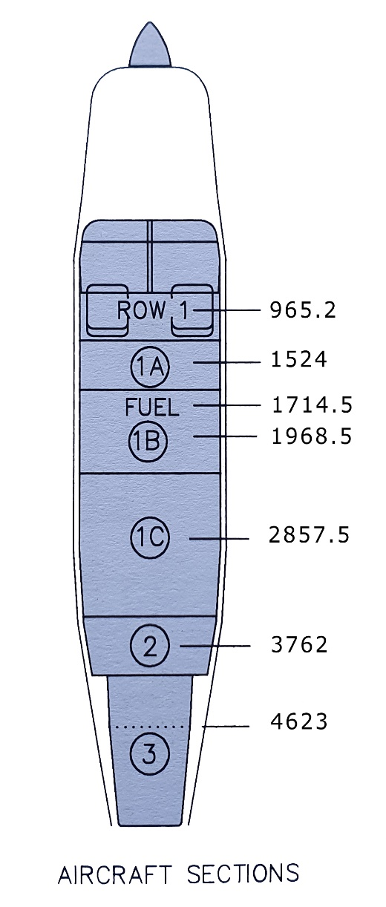
G-HTFU GA8tc-320 |  | 2023-06-19
Fuel min 40 litres + 40 one lift
 | Litres | KG
Three lifts | 160 | 118.87
Two lifts | 120 | 89.15
One lift | 80 | 59.43

Item | weight KG | lever arm | moment
Aircraft | 1056.3 | 1164 | 1229533.2
Pilot/Row 1 | 80 | 965.2 | 77216
1A | 180 | 1524 | 274320
Fuel | 89.15 | 1715 | 152892.25
1B | 180 | 1968.5 | 354330
1C | 270 | 2857.5 | 771525
2 (Bag shelf) | 0 | 3768 | 0
3 (not used) | 0 | 4623 | 0
Total | 1855.45 | 1541.3 | 2859816
 | Max Take off 1905KGS
 | Max Landing 1814KGS

Seating CofG
C of G mm
G-HTFU GA8tc-320 |  | 2023-06-19
Fuel min 40 litres + 40 one lift
 | Litres | KG
Three lifts | 160 | 118.87
Two lifts | 120 | 89.15
One lift | 80 | 59.43

Item | weight KG | lever arm | moment
Aircraft | 1056.3 | 1164 | 1229533.2
Pilot/Row 1 | 80 | 965 | 77200
Fuel | 118.87 | 1715 | 203862.05
Row 2 | 180 | 1772 | 318960
Row 3 | 180 | 2523 | 454140
Row 4 | 180 | 3247 | 584460
Bag Shelf | 0 | 3768 | 0
Total | 1795.17 | 1597.7 | 2868155
 | Max Take off 1905KGS
 | Max Landing 1814KGS

